Indices

 | Iraq Stock Exchange
 | Bulletin No (36)
 | ISX Trading Indices of Tuesday 24/2/2026

 | Traded Volume and OTC |  | 1,157,204,755 |  | Traded Value and OTC |  | 623,189,317 |  | Traders | 752

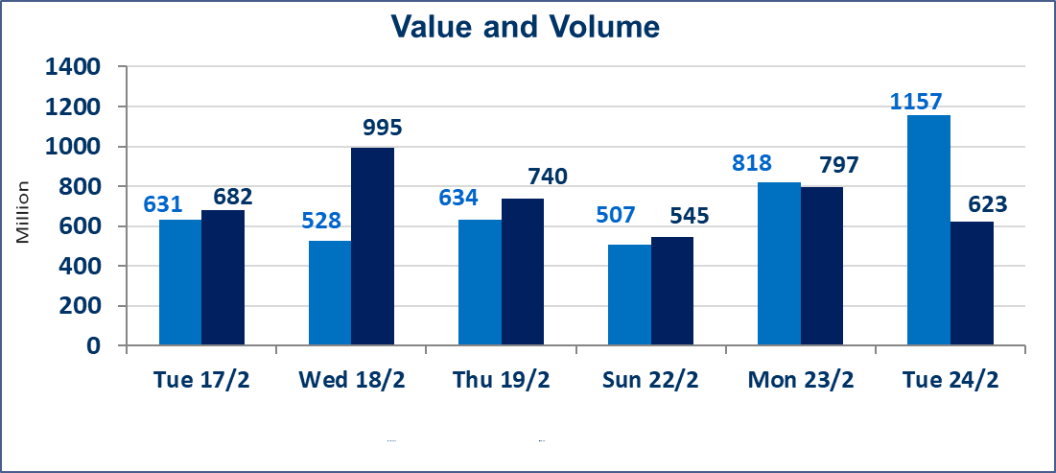
 | ISX Index 60 |  |  | 962.57 | ISX Index 15 |  |  | 1234.78
 | Previous ISX Index60 |  |  | 965.58 | Previous ISX Index15 |  |  | 1245.93
 | Change % |  |  | -0.31 | Change % |  |  | -0.89
 | Change |  |  | -3.01 | Change |  |  | -11.15

 | Listed Companies | 104 | OTC | 14 | Non Traded listed | 34 | OTC | 13
 | Traded Listed Companies | 60 | OTC | 1 | Higher Companies |  |  | 12
 | GAM Companies |  |  | 0 | Lower Companies |  |  | 18
 | Suspended Companies |  |  | 10
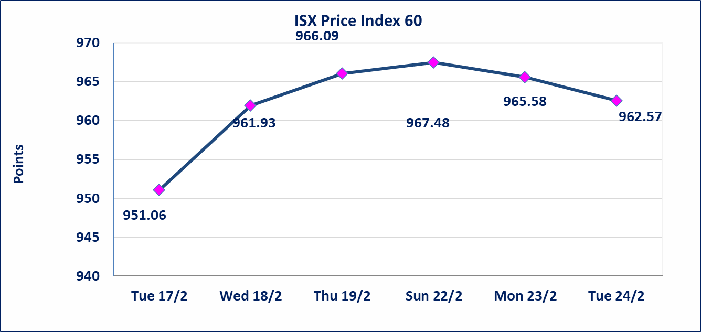
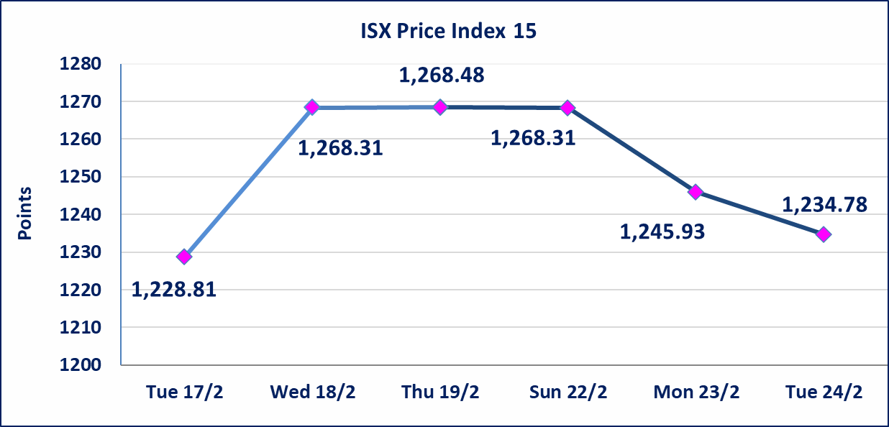

Al-Alwiya P.O . 3607 Mobile: 07711211522 - 07270094594 - 07834000034 E-mail: info-isx@isx-iq.net Web site:www.isx-iq.net

Top 5
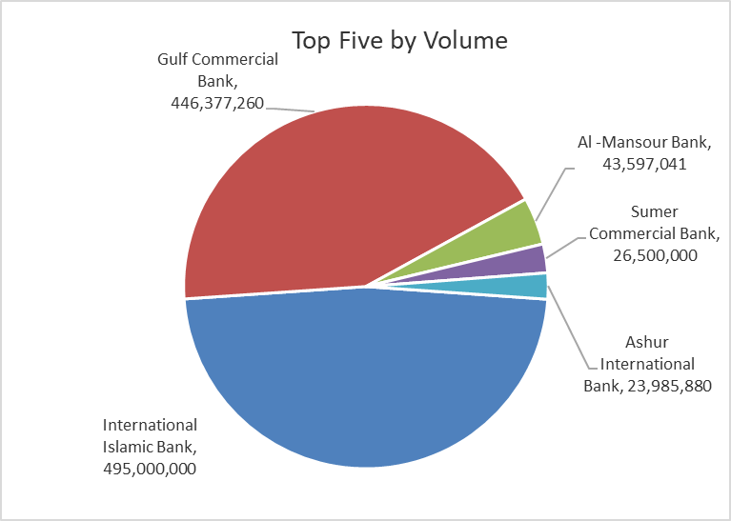
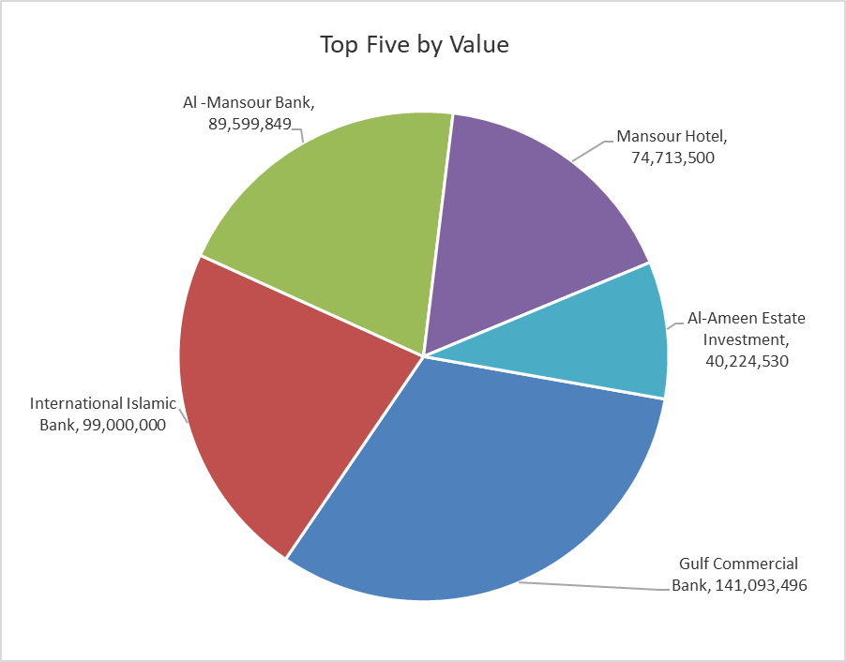

ISX top ganing and losing companies
Tuesday 24/2/2026
 | Gainers |  |  |  | Losers
 | Company Name | Closing Price | Change (%) | Traded Volume | Company Name | Closing Price | Change (%) | Traded Volume
 | Al-Hamraa for Insurance | 2.850 | 15.38 | 200,000 | Mosul Bank For Investment | 0.120 | -7.69 | 1,310,000
 | AL-Nukhba for Construction | 0.690 | 15.00 | 5,000 | Middle East for Production- Fish | 6.000 | -6.98 | 1,271
 | Elaf Islamic Bank | 0.260 | 13.04 | 11,000 | Ready Made Clothes | 2.150 | -6.52 | 441,776
 | National Islamic Bank | 0.700 | 7.69 | 5,000 | Al-Taif Islamic Bank | 0.700 | -5.41 | 260,224
 | Babil Animal & Vegetable Production | 7.000 | 7.69 | 94,816 | Al-Hilal Industries | 1.520 | -5.00 | 849,265
 | The most active companies in term of traded volume and value

 | Traded Volume |  |  |  | Traded Value
 | Company Name | Closing Price | Change (%) | Traded Volume | Company Name | Closing Price | Change (%) | Traded Value
 | International Islamic Bank | 0.200 | 0.00 | 495,000,000 | Gulf Commercial Bank | 0.320 | -3.03 | 141,093,496
 | Gulf Commercial Bank | 0.320 | -3.03 | 446,377,260 | International Islamic Bank | 0.200 | 0.00 | 99,000,000
 | Al -Mansour Bank | 2.060 | 0.49 | 43,597,041 | Al -Mansour Bank | 2.060 | 0.49 | 89,599,849
 | Sumer Commercial Bank | 0.140 | 0.00 | 26,500,000 | Mansour Hotel | 45.000 | 0.00 | 74,713,500
 | Ashur International Bank | 0.240 | 0.00 | 23,985,880 | Al-Ameen Estate Investment | 1.780 | 1.71 | 40,224,530

Non Iraqi

Iraq Stock Exchange
Non Iraqis' Bulletin Tuesday Feb 24 2026
Regular Market

Non Iraqi Trading of Regular Market (Sell)
Company Names | Code | No.of trades | Traded Shares | Trading Volume
Telecommunication Sector
Asia cell | TASC | 8 | 252,495 | 3,768,189
Total Telecommunication sector |  | 8 | 252,495 | 3,768,189
Grand Total |  | 8 | 252,495 | 3,768,189

Non Iraqi Trading of Second Market (Sell)
Company Names | Code | No.of trades | Traded Shares | Trading Volume
Insurance Sector
Al-Hamraa for Insurance | NHAM | 2 | 200,000 | 560,000
Total Insurance sector |  | 2 | 200,000 | 560,000
Grand Total |  | 2 | 200,000 | 560,000

Not Trading Bonds

Iraq Stock Exchange
Tuesday 24/2/2026
Not Trading Bonds Bulletin
Bond type | Publish type | Code | last trading price | immortilize date
Banaa Bonds /Million ID | Second | CB20 | 964,981 | 19/12/2025
Eamar Bonds /Million ID | First | CB30 | 1,001,095 | ــــــــــــــــ
Eamar Bonds /Million ID | Second | CB40 | ــــــــــــــــ | ــــــــــــــــ
Eamar Bonds /500 Thousand ID | Third | CB45 | ــــــــــــــــ | ــــــــــــــــ
Eamar Bonds /Million ID | Third | CB50 | ــــــــــــــــ | ــــــــــــــــ
Injaz Bonds /500 Thousand ID | First | CB55 | ــــــــــــــــ | ــــــــــــــــ
Injaz Bonds /Million ID | First | CB60 | ــــــــــــــــ | ــــــــــــــــ
Injaz Bonds /500 Thousand ID | Second | CB65 | 502,671 | ــــــــــــــــ
Injaz Bonds /Million ID | Second | CB70 | 1,026,082 | ــــــــــــــــ
Injaz Bonds /500 Thousand ID | Third | CB75 | ــــــــــــــــ | ــــــــــــــــ
Injaz Bonds /Million ID | Third | CB80 | 978,182 | ــــــــــــــــ
National Bonds/Million ID | First | CB90 | ــــــــــــــــ | ــــــــــــــــ
National Bonds/500 Thousand ID | Second | CB95 | ــــــــــــــــ | ــــــــــــــــ
National Bonds/Million ID | Second | CB100 | ــــــــــــــــ | ــــــــــــــــ

